Data & sources
Area | Source | Description | Link
General | Hackathon Repository | Hackathon's data sources page | https://github.com/COP26-Hackathon/Met-Office-Climate-Data-Challenge-March_2021/wiki/Data-Sources
Climate Projections | UKCP18 | Sea level rise projections covering uncertainty in future climate (within and between most extreme RCPs), and impacts on Sea Level Rise | https://ukclimateprojections-ui.metoffice.gov.uk/products | https://ukclimateprojections-ui.metoffice.gov.uk/products/MS4_Anomalies_Subset_01
Climate Projections | Howard et al (2019) | Contributions to 21st century projections of extreme sea-level change around the UK | https://iopscience.iop.org/article/10.1088/2515-7620/ab42d7 | Thus, the four potential sources of changing coastal flood risk for the UK that we explore here are: (i) MSL rise, (ii) changes in the statistics of storm surge, (iii) changes in the statistics of offshore waves, and (iv) changes in the amplitude of the tide. Our simulations show that projections of 21st century MSL change (and its uncertainty) dominate over the sources (surge and waves) which depend on changes in the storm tracks. In contrast to the projected changes in surge and waves, the inter-annual variation in the extremes even under present-day conditions is comparable to the projected MSL change uncertainties in many locations. We conclude that, whilst there is an ongoing need for research leading to a scientific consensus on future storm track changes, until such consensus begins to emerge coastal sea-level research effort might most usefully focus on constraining the MSL change projections, and on the implications of the MSL change uncertainties for coastal planning— for example by combining uncertainties in projected MSL change with a probabilistic expression (as is usually shown by a return-level curve) of the present-day distribution of extremes.
Exposure Projections | ONS | NOMIS gives good oversight of data - accesible API / CSV download options | https://www.ons.gov.uk/ https://www.nomisweb.co.uk/
Exposure Projections | EA socio-economic | The EA might have socio-economic data that can be mapped in to see flood exposure. There's a gov.uk link on the data sources page. | tbc
Exposure Projections | OpenStreetMap | Lots of wiki style data. Includes building footprints, bus stops, rivers etc. Overpass API recommended | overpass-turbo.eu
Exposure Projections | CDRC | the CDRC (Consumer Data Research Centre) has a lot of data, both a viewer for 2011 Census data but also more recent deprivation statistics. | CDRC Maps: Index of Multiple Deprivation
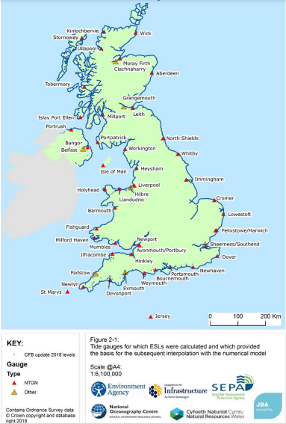
Current Hazard | Environmental Agency | Extreme event tidal gauge return periods based on historical data | https://www.gov.uk/government/publications/coastal-flood-boundary-conditions-for-uk-mainland-and-islands-design-sea-levels
Current Hazard | NTSLF | UK Tide Gauge data | https://www.ntslf.org/data
Current Hazard | PSMSL | Global Sea Level Data from the Permanent Service for Mean Sea Level | https://www.psmsl.org/
Current Hazard | Climate Econometrics | Probabilistic sea level projections through the 21st century for RCP 4.5, RCP 8.5 and High-end (RCP 8.5 with increased ice-sheet contribution) from Jevrejeva et al. (2016): | http://www.climateeconometrics.org/data/
Other Factors | NCERM | National Coastal Erosion Risk Mapping (NCERM): | https://data.gov.uk/dataset/7564fcf7-2dd2-4878-bfb9-11c5cf971cf9/national-coastal-erosion-risk-mapping-ncerm-national-2018-2021
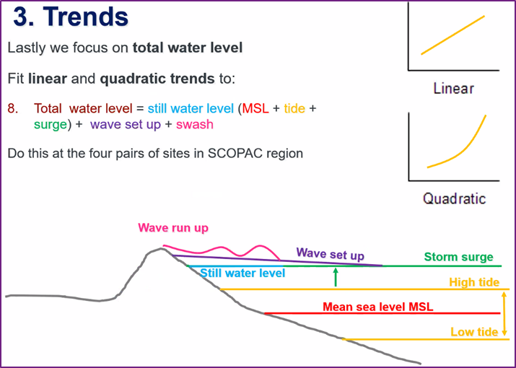
Adaptation Measures | tbc

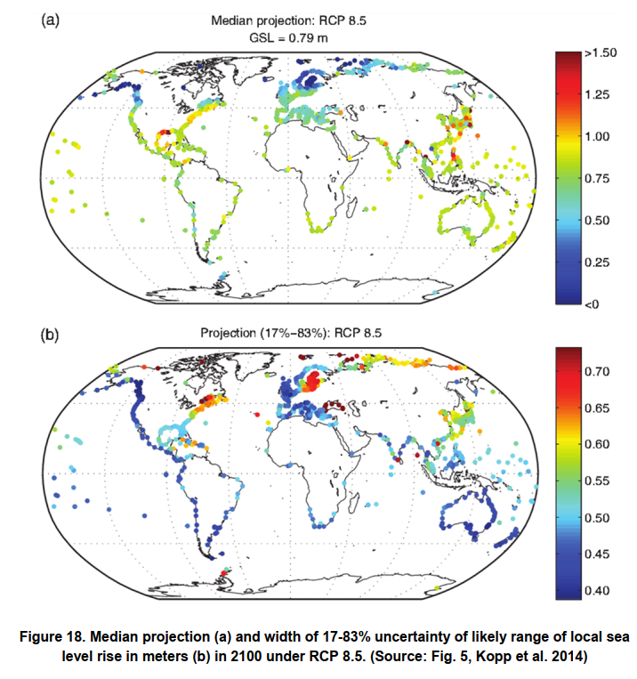

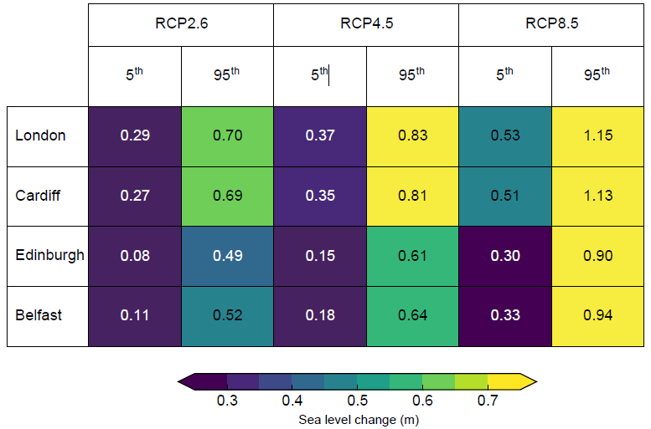

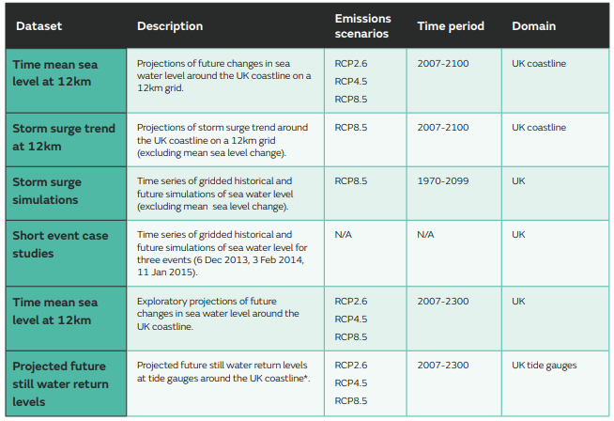

Range of sea level change (m) at UK capital cities in 2100 relative to 1981-2000 average for a low (RCP2.6), medium (RCP4.5) and high (RCP8.5) emissions scenario from table in Section 1.2 in Palmer et al (2018).

